picture
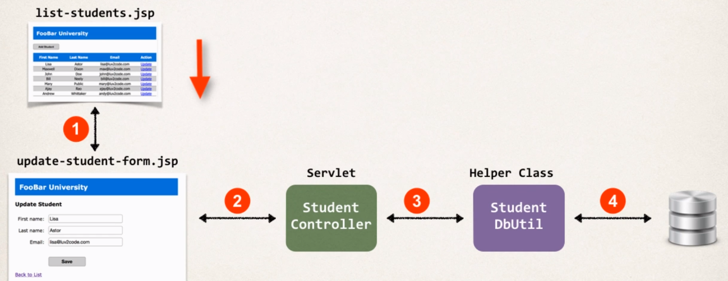

Creating the Update Link
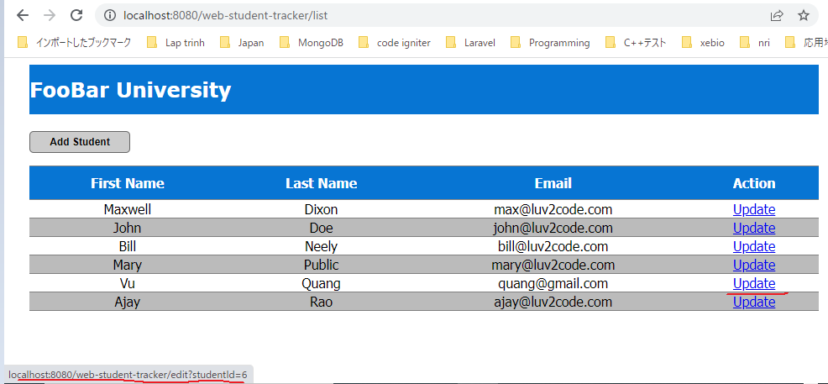
Creating the Update Link list-students.jsp
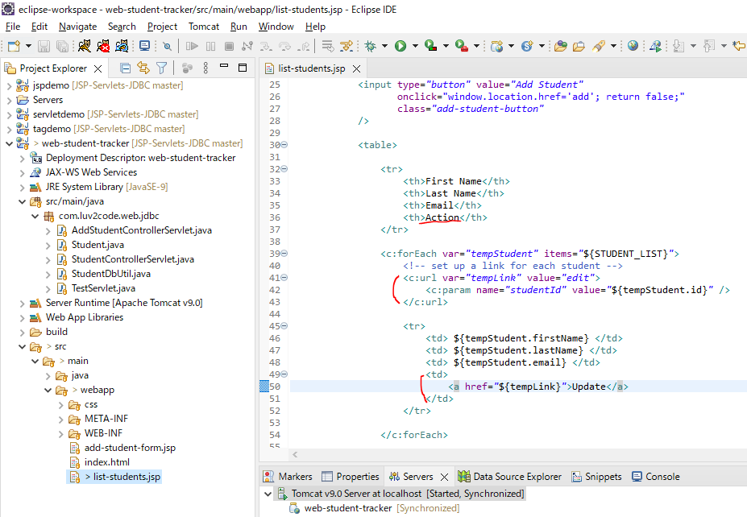

Restart server
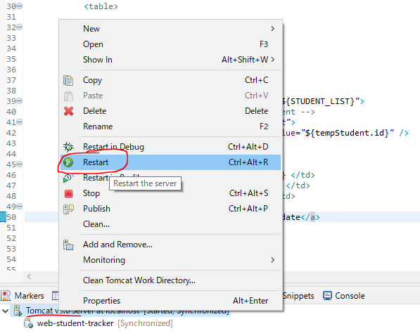

Access URL to test

Prepopulating the HTML Form
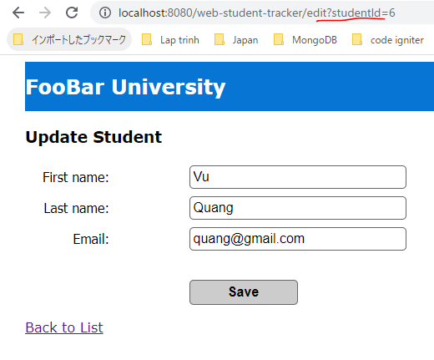
Create EditStudentControllerServlet
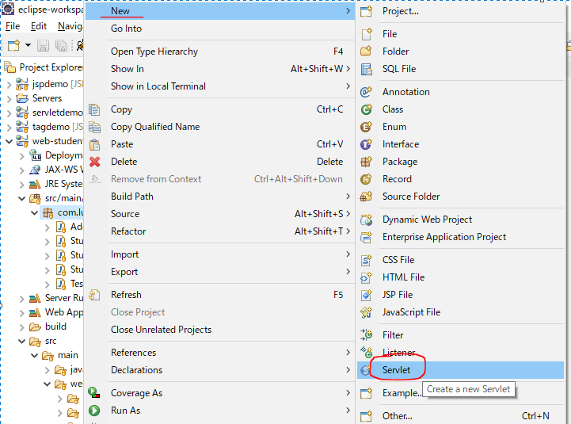

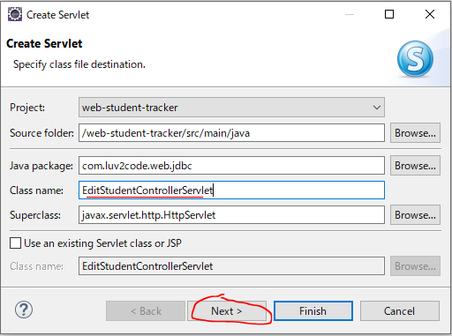

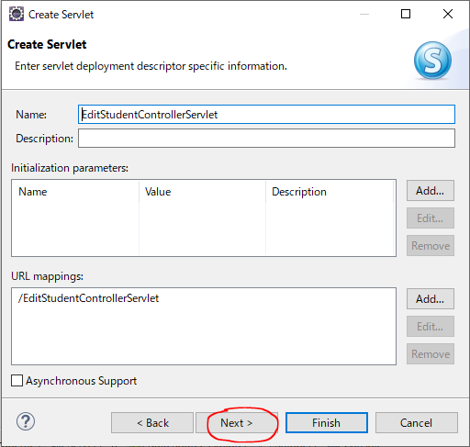

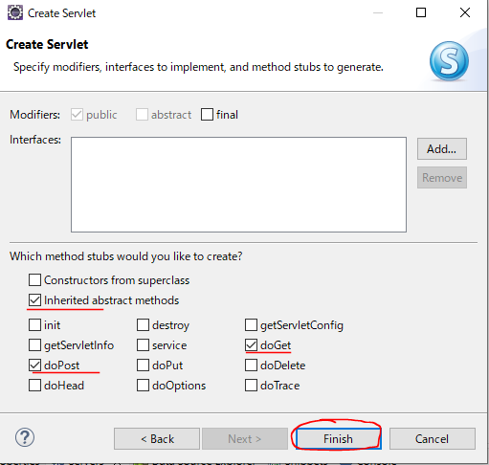

Init
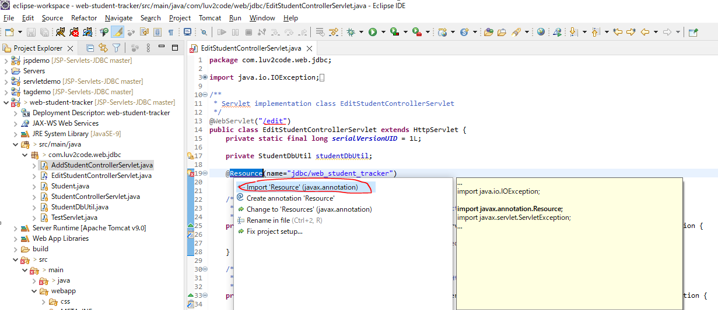

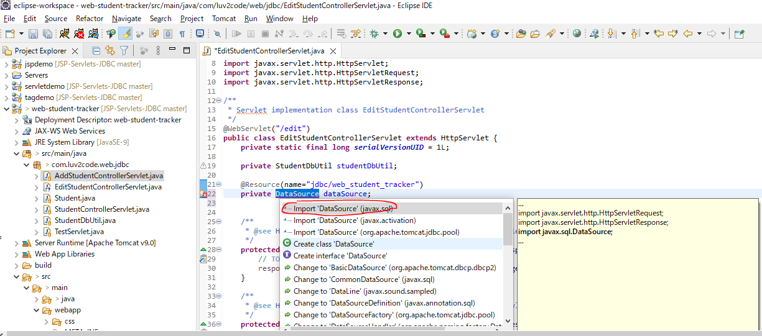

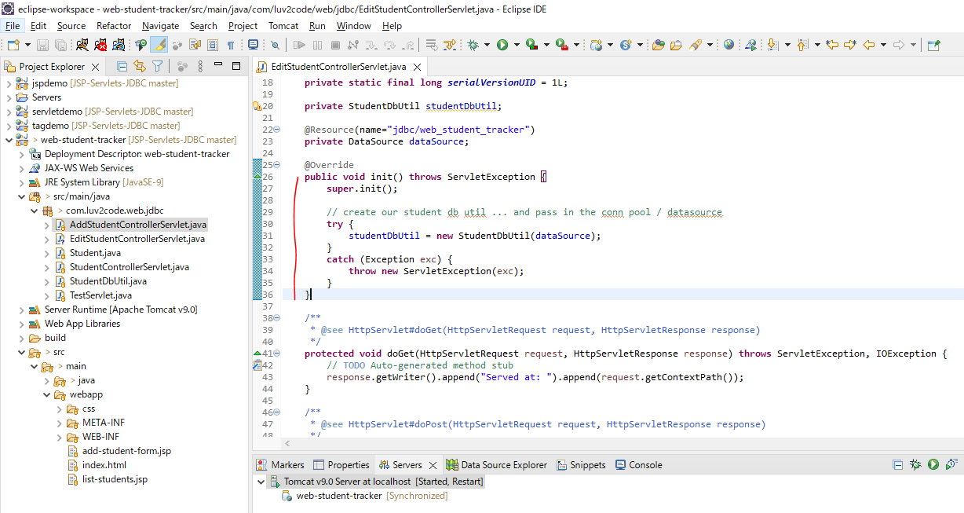

doGet method
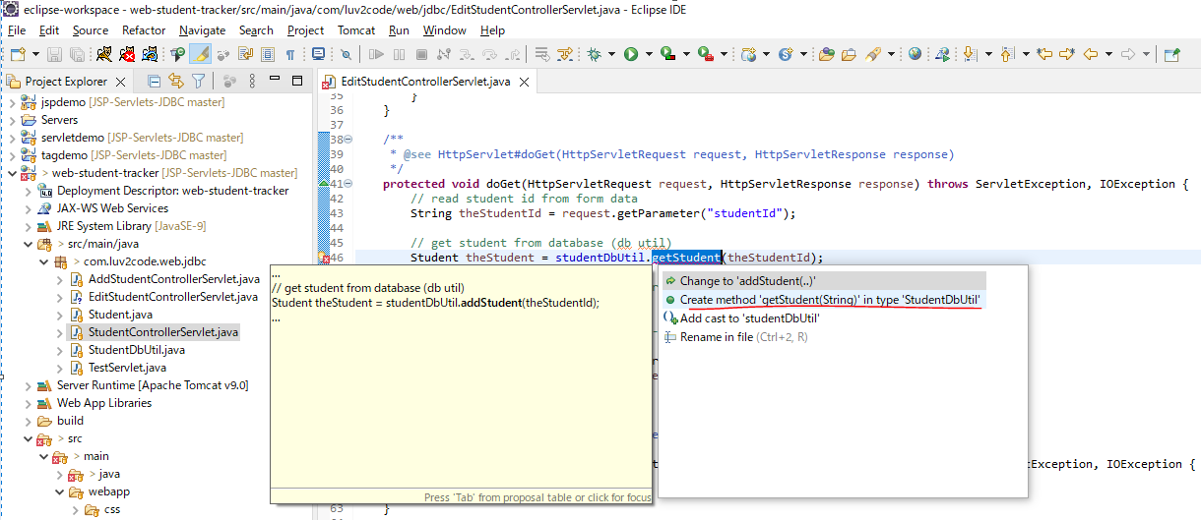

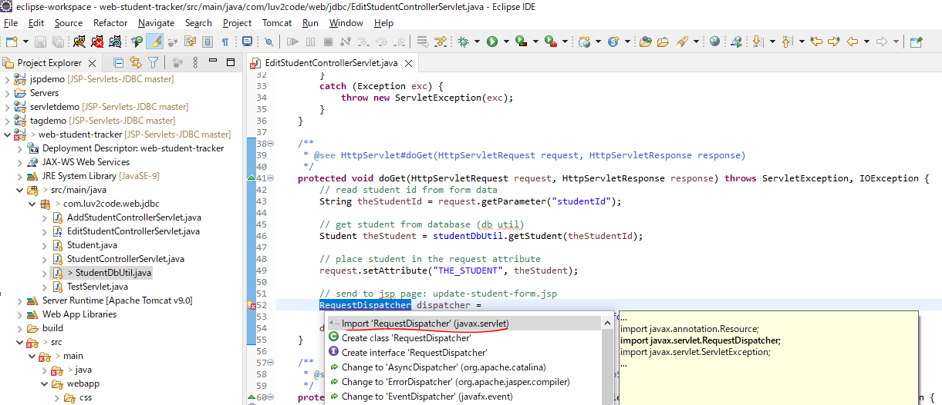

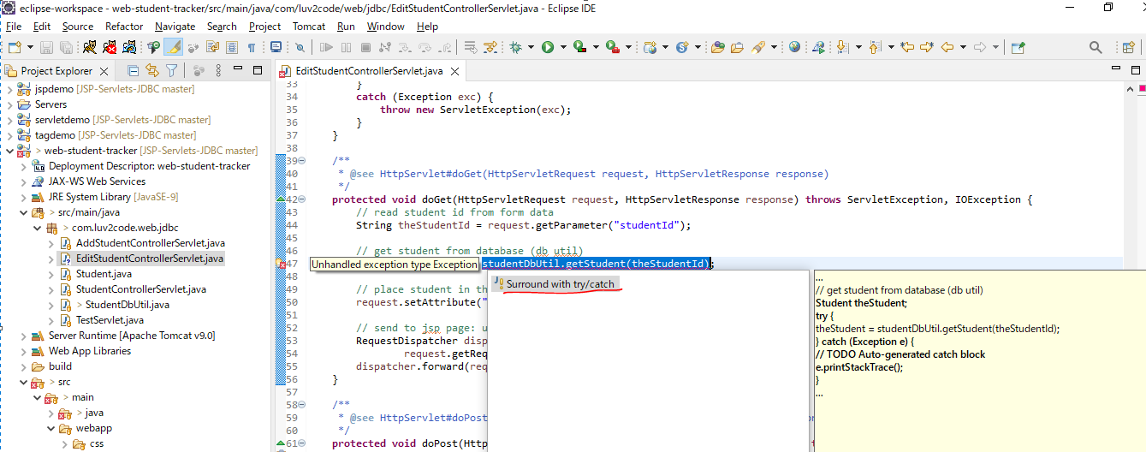

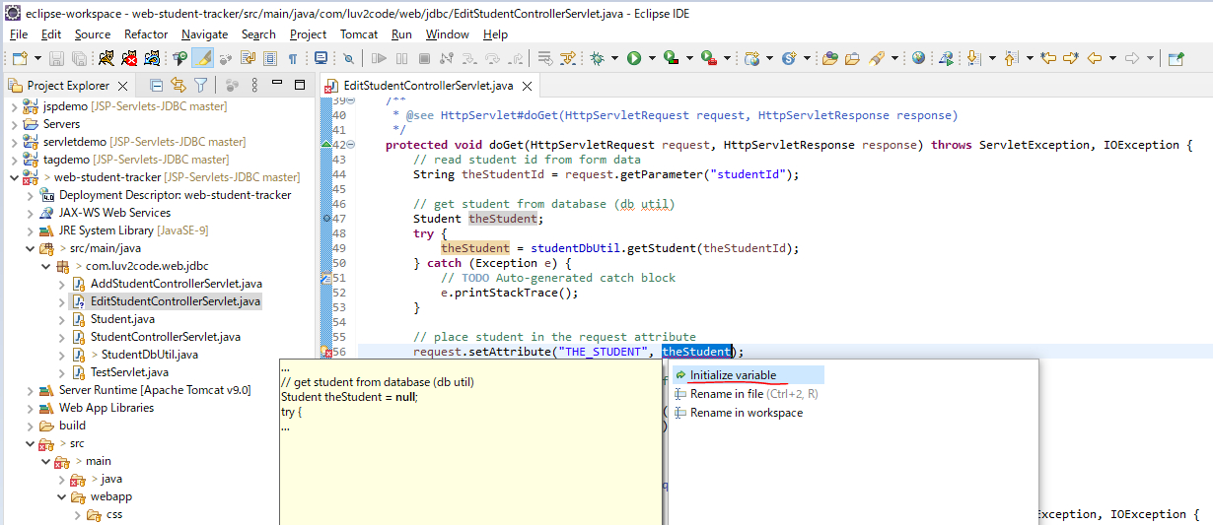

getStudent method in StudentDbUtil Class
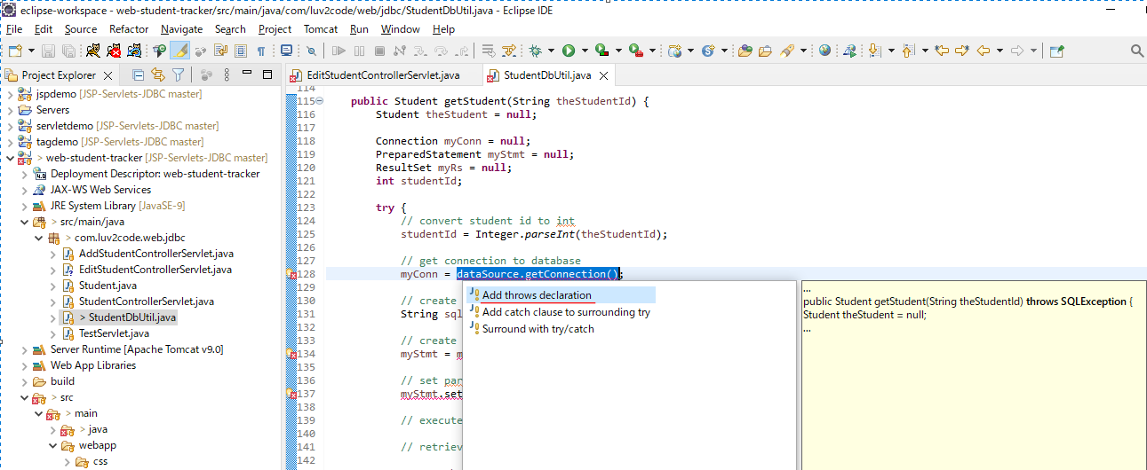

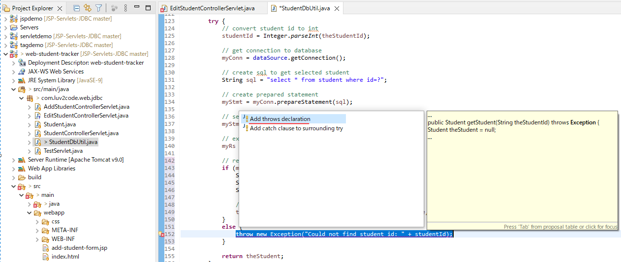

 | All code
 |  | public Student getStudent(String theStudentId) throws Exception {
 |  |  | Student theStudent = null;

 |  |  | Connection myConn = null;
 |  |  | PreparedStatement myStmt = null;
 |  |  | ResultSet myRs = null;
 |  |  | int studentId;

 |  |  | try {
 |  |  |  | // convert student id to int
 |  |  |  | studentId = Integer.parseInt(theStudentId);

 |  |  |  | // get connection to database
 |  |  |  | myConn = dataSource.getConnection();

 |  |  |  | // create sql to get selected student
 |  |  |  | String sql = "select * from student where id=?";

 |  |  |  | // create prepared statement
 |  |  |  | myStmt = myConn.prepareStatement(sql);

 |  |  |  | // set params
 |  |  |  | myStmt.setInt(1, studentId);

 |  |  |  | // execute statement
 |  |  |  | myRs = myStmt.executeQuery();

 |  |  |  | // retrieve data from result set row
 |  |  |  | if (myRs.next()) {
 |  |  |  |  | String firstName = myRs.getString("first_name");
 |  |  |  |  | String lastName = myRs.getString("last_name");
 |  |  |  |  | String email = myRs.getString("email");

 |  |  |  |  | // use the studentId during construction
 |  |  |  |  | theStudent = new Student(studentId, firstName, lastName, email);
 |  |  |  | }
 |  |  |  | else {
 |  |  |  |  | throw new Exception("Could not find student id: " + studentId);
 |  |  |  | }

 |  |  |  | return theStudent;
 |  |  | }
 |  |  | finally {
 |  |  |  | // clean up JDBC objects
 |  |  |  | close(myConn, myStmt, myRs);
 |  |  | }
 |  | }

Add update-student-form.jsp
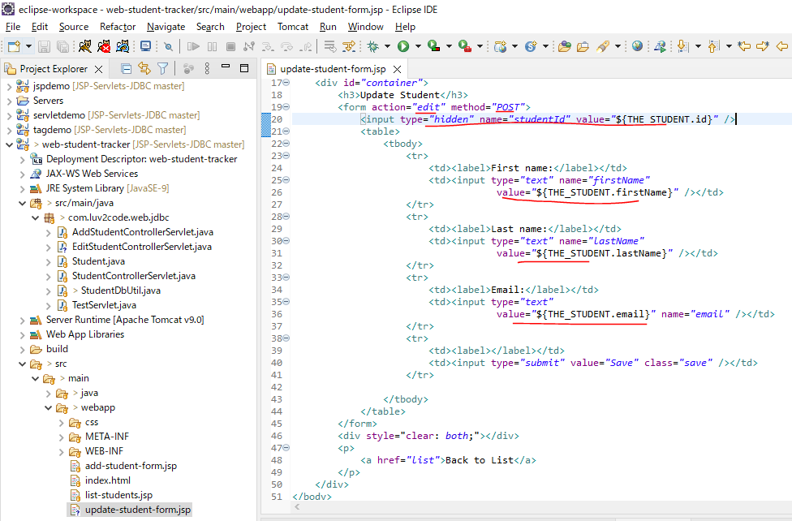

Restart Server
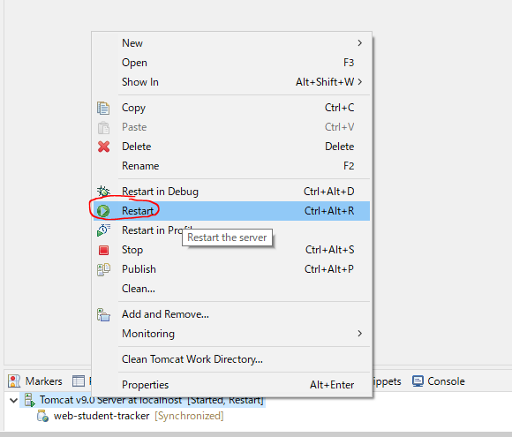

Access URL to test
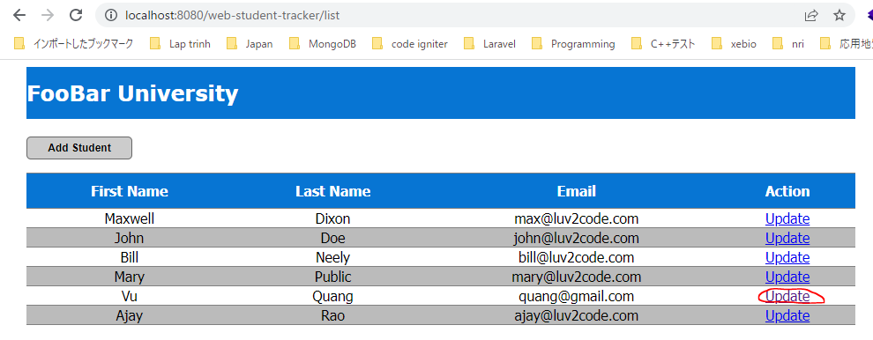

 | Edit page redirected

